On Test Environment
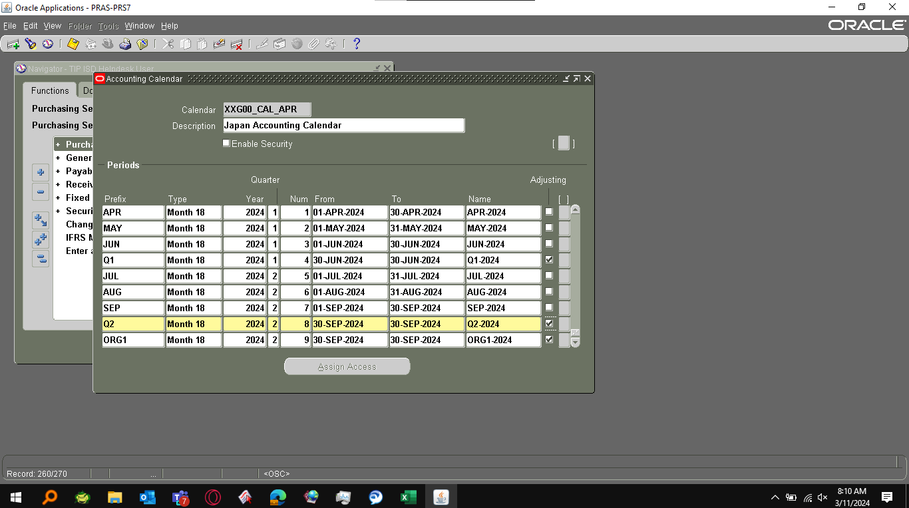
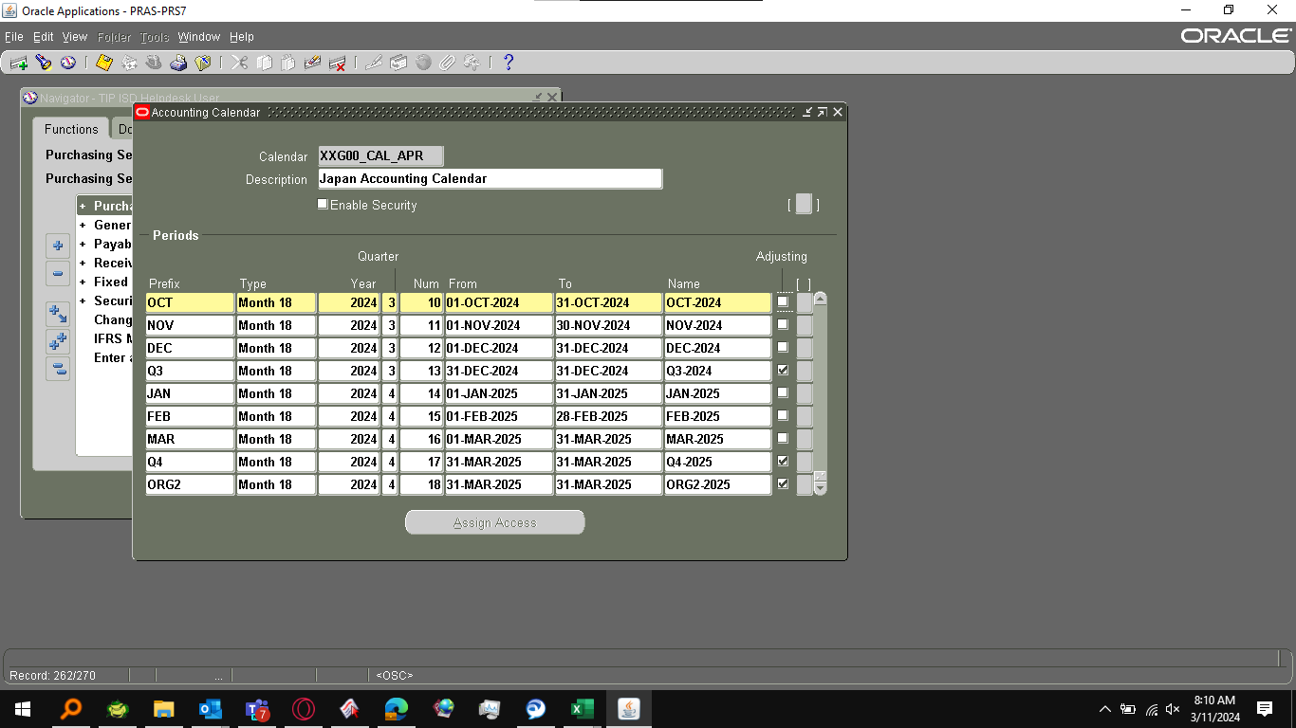
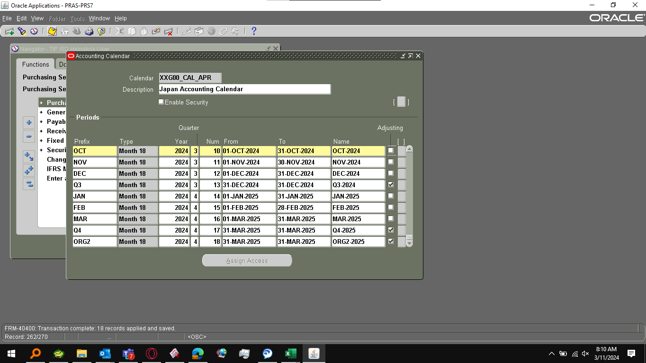
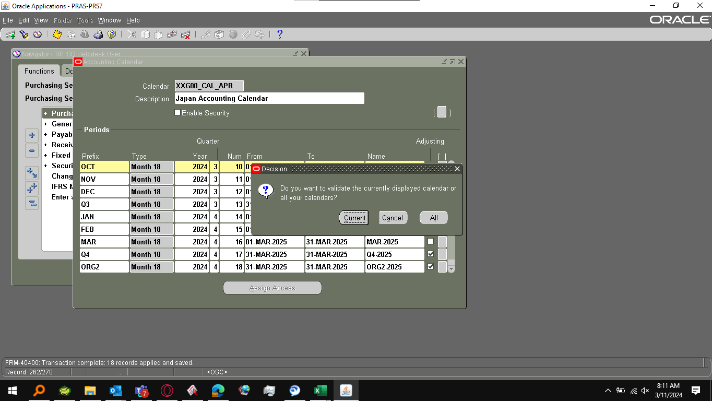
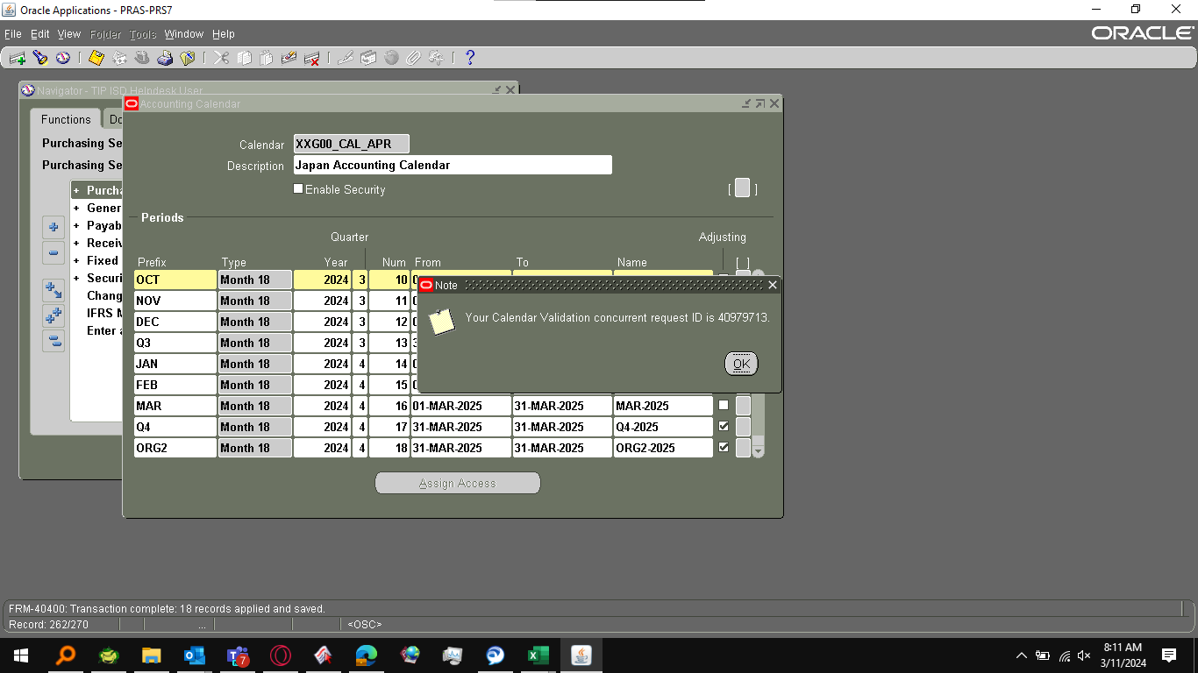
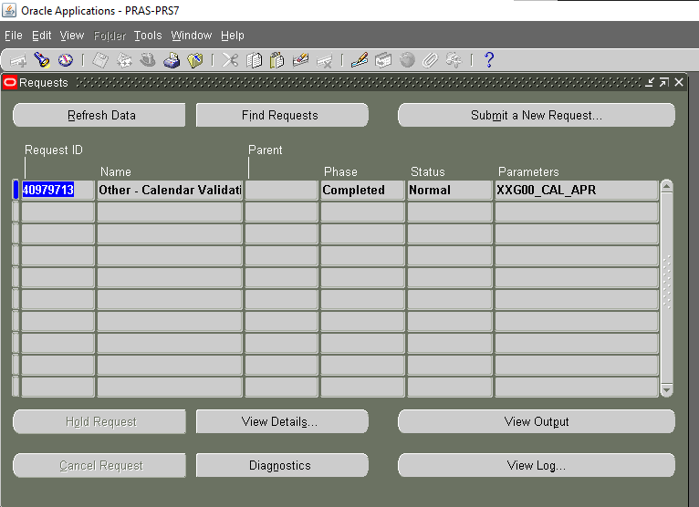
NAVIGATION

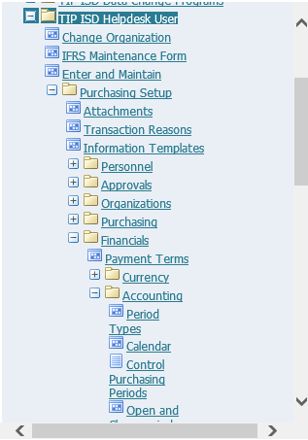

Prefix | Type | Year | Quarter | Num | From | To | Name | Adjusting | [ ]
APR | Month 18 | 2024 | 1 | 1 | 01-APR-2024 | 30-APR-2024 | APR-2024
MAY | Month 18 | 2024 | 1 | 2 | 01-MAY-2024 | 31-MAY-2024 | MAY-2024
JUN | Month 18 | 2024 | 1 | 3 | 01-JUN-2024 | 30-JUN-2024 | JUN-2024
Q1 | Month 18 | 2024 | 1 | 4 | 30-JUN-2024 | 30-JUN-2024 | Q1-2024 | *
JUL | Month 18 | 2024 | 2 | 5 | 01-JUL-2024 | 31-JUL-2024 | JUL-2024
AUG | Month 18 | 2024 | 2 | 6 | 01-AUG-2024 | 31-AUG-2024 | AUG-2024
SEP | Month 18 | 2024 | 2 | 7 | 01-SEP-2024 | 30-SEP-2024 | SEP-2024
Q2 | Month 18 | 2024 | 2 | 8 | 30-SEP-2024 | 30-SEP-2024 | Q2-2024 | *
ORG1 | Month 18 | 2024 | 2 | 9 | 30-SEP-2024 | 30-SEP-2024 | ORG1-2024 | *
OCT | Month 18 | 2024 | 3 | 10 | 01-OCT-2024 | 31-OCT-2024 | OCT-2024
NOV | Month 18 | 2024 | 3 | 11 | 01-NOV-2024 | 30-NOV-2024 | NOV-2024
DEC | Month 18 | 2024 | 3 | 12 | 01-DEC-2024 | 31-DEC-2024 | DEC-2024
Q3 | Month 18 | 2024 | 3 | 13 | 31-DEC-2024 | 31-DEC-2024 | Q3-2024 | *
JAN | Month 18 | 2024 | 4 | 14 | 01-JAN-2025 | 31-JAN-2025 | JAN-2025
FEB | Month 18 | 2024 | 4 | 15 | 01-FEB-2025 | 28-FEB-2025 | FEB-2025
MAR | Month 18 | 2024 | 4 | 16 | 01-MAR-2025 | 31-MAR-2025 | MAR-2025
Q4 | Month 18 | 2024 | 4 | 17 | 31-MAR-2025 | 31-MAR-2025 | Q4-2025 | *
ORG2 | Month 18 | 2024 | 4 | 18 | 31-MAR-2025 | 31-MAR-2025 | ORG2-2025 | *

Live Environment
